responsive testing
URL : https://www.facebook.com/ Responsive Testing Prepared By : PANCHAL KUSH Date : 10/09/2024

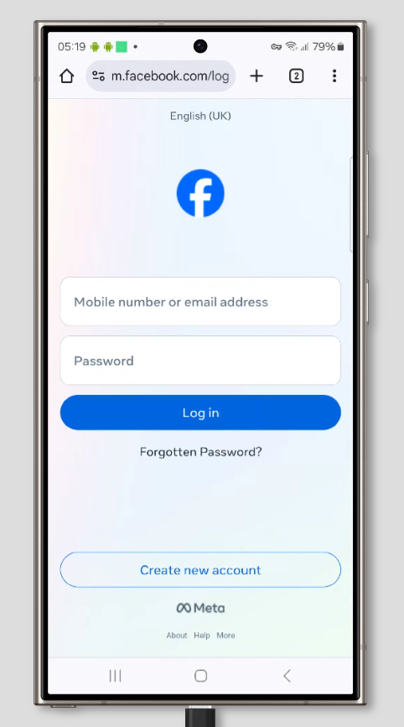
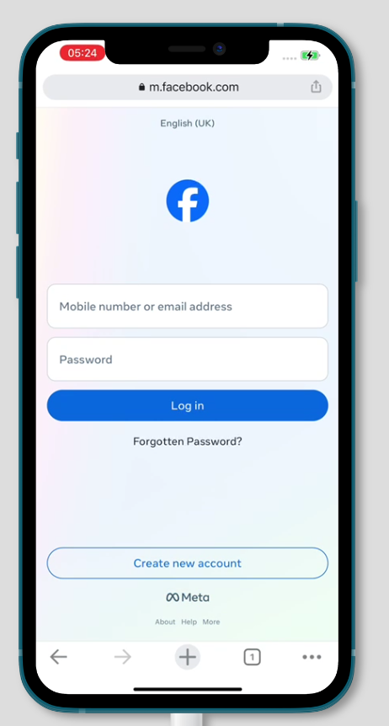
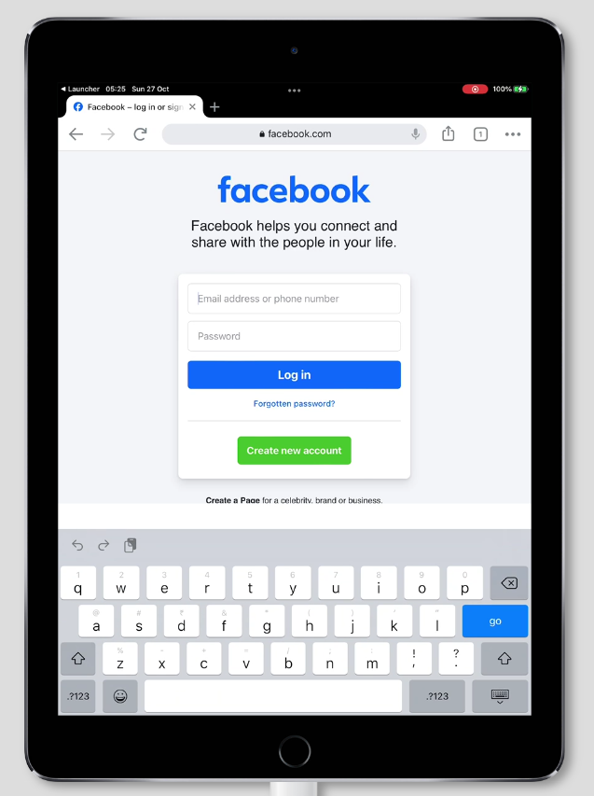

mobile s24 462 x 867 |  | ipad 637 x 853
 | 12 pro max 462 x 862

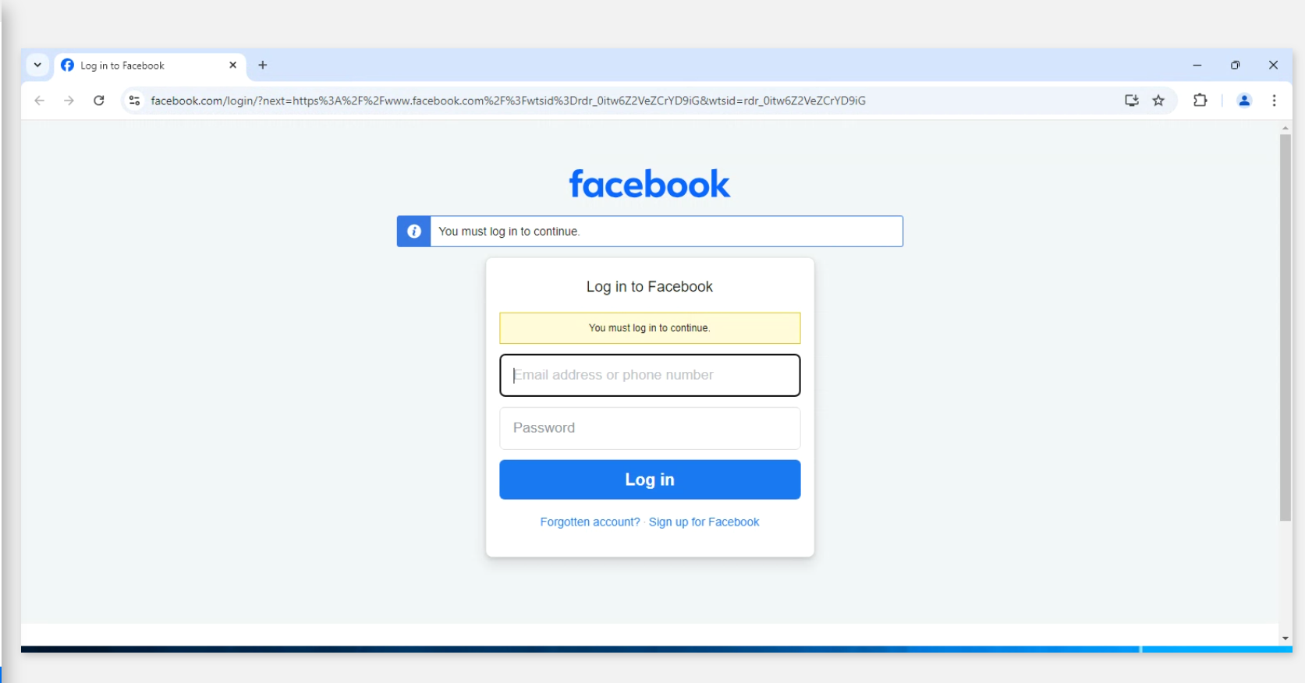

 | windows 11 1673 x 876

